Mind Maps
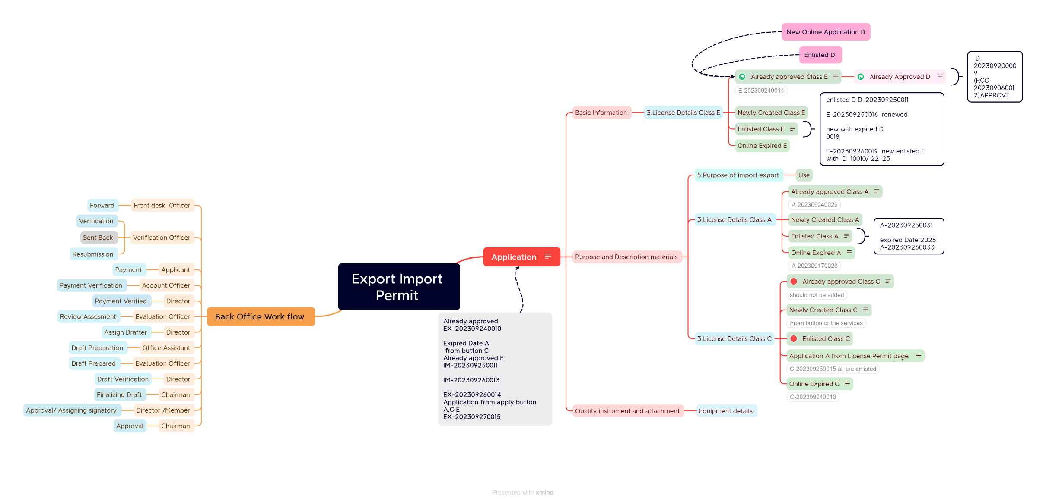

Click on the picture to view the whole Mindmap

